Part 1
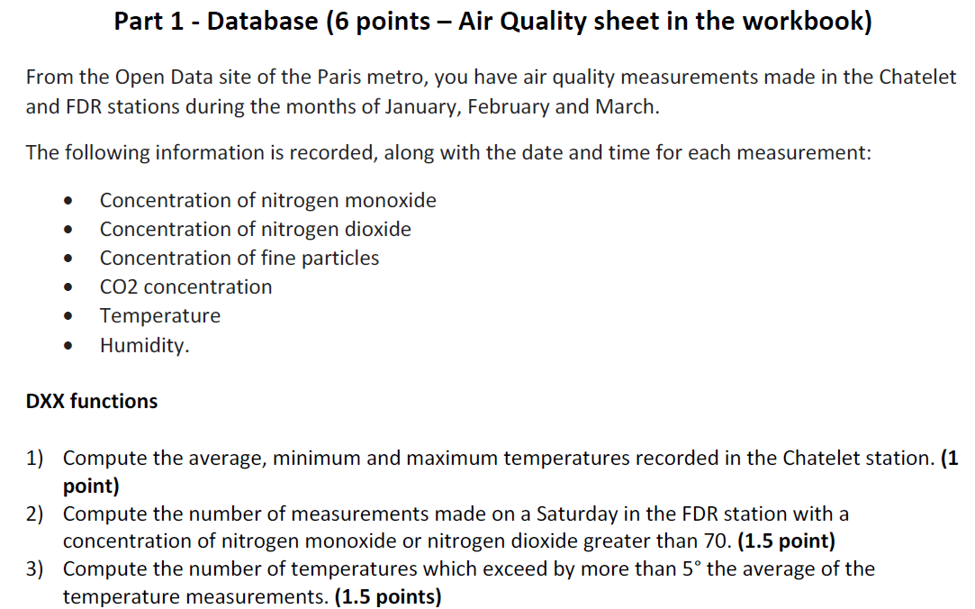

Moyenne | 17.535636154

 | Station
 | Chatelet

Moyenne | 18.6 | =BDMOYENNE(AirQuality!$A$3:$J$1740;AirQuality!$H$3;$C$32:$C$33)
Min | 10.5 | =BDMIN(AirQuality!$A$3:$J$1740;AirQuality!$H$3;$C$32:$C$33)
Max | 23.5 | =BDMAX(AirQuality!$A$3:$J$1740;AirQuality!$H$3;$C$32:$C$33)

Moyenne | 18.6 | =MOYENNE.SI.ENS(AirQuality!H:H;AirQuality!A:A;"Chatelet")
Min | 10.5 | =MIN.SI.ENS(AirQuality!H:H;AirQuality!A:A;"Chatelet")
Max | 23.5 | =MAX.SI.ENS(AirQuality!H:H;AirQuality!A:A;"Chatelet")

 | 3) | 17.5 | =MOYENNE(AirQuality!H:H)

 |  | FALSE |  | 4
 |  | =AirQuality!H4>($D$46+5) |  | =BDNBVAL(AirQuality!$A$3:$J$1740;AirQuality!A3;$D$47:$D$48)

 |  | Temp °C |  | 4
 |  | >22,535636154289 |  | =BDNBVAL(AirQuality!A3:J1740;AirQuality!A3;D51:D52)
 |  | =">"&($D$46+5)
 |  |  |  | 4
 |  |  |  | =NB.SI(AirQuality!H:H;">"&(D46+5))

Part 2
Moyenne de CO2 concentration | Étiquettes de colonnes
Étiquettes de lignes | Chatelet | FDR | Total général
Friday | 692 | 489 | 567
Monday | 617 | 478 | 544
Saturday | 643 | 467 | 552
Sunday | 569 | 453 | 511
Thursday | 654 | 492 | 556
Tuesday | 634 | 473 | 547
Wednesday | 648 | 481 | 548
Total général | 632 | 476 | 546

Station | Chatelet

Moyenne de Particles concentration | Étiquettes de colonnes
 | janv | févr | mars | Total général

Étiquettes de lignes
00 | 50 | 69 | 70 | 62
02 | 43 | 61 | 55 | 52
04 | 36 | 44 | 43 | 40
06 | 17 | 28 | 21 | 21
08 | 45 | 56 | 68 | 56
10 | 70 | 94 | 104 | 87
12 | 61 | 83 | 86 | 75
14 | 65 | 88 | 87 | 79
16 | 73 | 102 | 98 | 89
18 | 91 | 128 | 128 | 113
20 | 82 | 118 | 115 | 102
22 | 57 | 80 | 84 | 72
Total général | 58 | 80 | 80 | 71

